Title Page
Grocery Basket Analysis

Project Name: Instacart Grocery Basket Analysis
Date: 24th February 2021
Analyst Name: Rebecca Luck

Contents:
Data Citation
Population Flow
Consistency checks
Missing value check
Wrangling steps
Column derivations
Visualizations
Department Analysis
Recommendations

1. Data Citation
 | Title page

Data Citation

“The Instacart Online Grocery Shopping Dataset 2017”, Accessed from https://www.instacart.com/datasets/grocery-shopping-2017 on 6th January 2021"

Please note that the customer and price data for this analysis has been fabricated for the purpose of the Data Immersion Course offered by Career Foundry.

2. Population Flow
Title page

Population flow

Exclusion flag for Low Activity Customers
Condition: max_order < 5
Obervations to be removed: 670899
Final total count of order_products_all: 15329101

Orders_products_combined
Orders_products_merged
Orders_products_all

Total: 16000000 rows
Total: 32404859 rows
Total: 32404859 rows
Subset created for final analysis: 16000000 rows

3. Consistency checks
 |  |  |  | Title page
Consistency checks

Dataset | Missing values | Missing values treatment | Duplicates
orders | 206209 - 'days_since_prior_order' missing values | Values are not missing, they represent the first order placed by a customer. Please see ''4. Missing Value Check" sheet for data consistency check. All values in 1st order column are "0". | None
products | 16 - 'product_name' missing values | New data subset created that excluded missing values. Additional subset created with missing values for reference | 5
orders_products_prior | None |  | None
customers | 11259 - 'First Name' missing values | Whole column deleted due to PII data protection | None

4. Missing Value Check
 |  |  |  |  |  |  |  | Title page
Missing Value Check

days_since_prior_order | 1 | 2 | 3 | 4 | 5 | 6 | 7 | 8 | 9 | 10 | 11 | 12 | 13 | 14 | 15 | 16 | 17 | 18 | 19 | 20 | 21 | 22 | 23 | 24 | 25 | 26 | 27 | 28 | 29 | 30 | 31 | 32 | 33 | 34 | 35 | 36 | 37 | 38 | 39 | 40 | 41 | 42 | 43 | 44 | 45 | 46 | 47 | 48 | 49 | 50 | 51 | 52 | 53 | 54 | 55 | 56 | 57 | 58 | 59 | 60 | 61 | 62 | 63 | 64 | 65 | 66 | 67 | 68 | 69 | 70 | 71 | 72 | 73 | 74 | 75 | 76 | 77 | 78 | 79 | 80 | 81 | 82 | 83 | 84 | 85 | 86 | 87 | 88 | 89 | 90 | 91 | 92 | 93 | 94 | 95 | 96 | 97 | 98 | 99
0 | 0 | 9285 | 9243 | 8123 | 7451 | 7343 | 6619 | 6407 | 5860 | 5272 | 5435 | 4618 | 4415 | 4158 | 3830 | 3817 | 3640 | 3669 | 3209 | 3165 | 3342 | 3098 | 2866 | 2818 | 2819 | 2681 | 2923 | 2709 | 2511 | 2755 | 2301 | 2471 | 2307 | 2261 | 2154 | 2175 | 2139 | 1990 | 1943 | 1975 | 1996 | 1819 | 1835 | 1814 | 1620 | 1679 | 1694 | 1387 | 1652 | 1386 | 1228 | 1442 | 1264 | 1252 | 1183 | 1269 | 1198 | 1037 | 1179 | 1134 | 1029 | 1106 | 940 | 1017 | 801 | 1097 | 972 | 898 | 850 | 875 | 835 | 813 | 854 | 821 | 665 | 785 | 746 | 705 | 728 | 623 | 700 | 621 | 602 | 799 | 670 | 675 | 588 | 597 | 645 | 612 | 600 | 533 | 473 | 566 | 580 | 527 | 461 | 535 | 506
1 | 0 | 14285 | 13409 | 12725 | 12185 | 11426 | 11368 | 10728 | 10178 | 9817 | 10007 | 8820 | 8892 | 8420 | 8873 | 8689 | 7976 | 7627 | 7314 | 7191 | 7369 | 6656 | 6584 | 6419 | 6221 | 6410 | 6205 | 5820 | 6161 | 5851 | 5641 | 5665 | 5330 | 5091 | 4781 | 4822 | 4756 | 4638 | 4744 | 4735 | 4255 | 4414 | 4318 | 4211 | 4293 | 4099 | 4247 | 4087 | 3850 | 3553 | 3763 | 3502 | 3252 | 3576 | 3626 | 3180 | 3167 | 3105 | 2962 | 2895 | 2853 | 2997 | 2532 | 2841 | 2486 | 2498 | 2732 | 2457 | 2304 | 2360 | 2169 | 2194 | 2133 | 2135 | 2111 | 1939 | 2202 | 1982 | 1851 | 2121 | 1791 | 1581 | 1780 | 1657 | 1640 | 1663 | 1577 | 1387 | 1577 | 1438 | 1463 | 1389 | 1348 | 1357 | 1356 | 1276 | 1286 | 1392 | 1166
2 | 0 | 21524 | 21728 | 20309 | 19102 | 19218 | 17925 | 17648 | 16903 | 15961 | 15862 | 15022 | 14812 | 14593 | 13953 | 13420 | 13012 | 12720 | 12581 | 11550 | 11608 | 11794 | 11390 | 11088 | 10796 | 10658 | 10389 | 9779 | 9504 | 9620 | 9211 | 9239 | 8576 | 8712 | 8270 | 8108 | 8293 | 8192 | 7804 | 7358 | 7370 | 7324 | 6838 | 6491 | 6667 | 6676 | 6090 | 6756 | 6248 | 6188 | 6144 | 5528 | 5454 | 5470 | 5318 | 4936 | 4920 | 4815 | 4528 | 4468 | 4703 | 4324 | 4245 | 4056 | 3818 | 4058 | 3792 | 3648 | 3714 | 3405 | 3511 | 3327 | 3320 | 3156 | 3017 | 2989 | 2755 | 2702 | 2629 | 2497 | 2590 | 2374 | 2595 | 2429 | 2107 | 2059 | 2079 | 2233 | 1775 | 1943 | 1821 | 1777 | 1901 | 1779 | 1624 | 1549 | 1635 | 1633 | 1346
3 | 0 | 29309 | 29920 | 28568 | 27886 | 27007 | 25537 | 23951 | 23324 | 23507 | 22262 | 21059 | 20612 | 20242 | 18760 | 18673 | 17708 | 17401 | 17116 | 16131 | 16137 | 15689 | 15440 | 14660 | 14411 | 14134 | 13225 | 13631 | 13102 | 11803 | 12171 | 12241 | 12135 | 11523 | 11331 | 11166 | 10576 | 10858 | 10007 | 10825 | 9547 | 9382 | 9261 | 8876 | 8573 | 8538 | 8043 | 8064 | 7407 | 7832 | 7122 | 6959 | 6770 | 6361 | 6048 | 6165 | 6022 | 5599 | 5527 | 5179 | 5308 | 5207 | 4717 | 4975 | 4375 | 4320 | 4040 | 3997 | 4258 | 3803 | 3508 | 3599 | 3357 | 3265 | 3434 | 3196 | 2966 | 2699 | 2874 | 2646 | 2725 | 2405 | 2314 | 2059 | 2279 | 2183 | 2173 | 1802 | 1918 | 1768 | 1725 | 1549 | 1589 | 1500 | 1450 | 1493 | 1353 | 1152 | 1310
4 | 0 | 36824 | 37691 | 35381 | 34099 | 32428 | 30577 | 29756 | 29401 | 28594 | 26928 | 25761 | 24293 | 23101 | 22764 | 22187 | 21218 | 20758 | 19744 | 18746 | 18450 | 18327 | 18425 | 16635 | 17318 | 16072 | 15739 | 15307 | 14596 | 13972 | 13946 | 13460 | 12655 | 12571 | 12521 | 11797 | 12074 | 11275 | 10606 | 9780 | 10165 | 9980 | 9742 | 9897 | 9432 | 8657 | 8537 | 8081 | 7748 | 7433 | 7139 | 6746 | 6798 | 6388 | 6258 | 6244 | 6167 | 5342 | 5295 | 5162 | 4719 | 4527 | 4582 | 4098 | 4343 | 3868 | 3502 | 3352 | 3233 | 3385 | 3387 | 2891 | 2893 | 2594 | 2729 | 2312 | 2507 | 2367 | 2274 | 2197 | 2019 | 2078 | 1866 | 1690 | 1467 | 1455 | 1421 | 1479 | 1447 | 1281 | 1239 | 1313 | 1108 | 960 | 1102 | 1012 | 988 | 931 | 966
5 | 0 | 42889 | 44308 | 42517 | 39783 | 37992 | 36252 | 34349 | 31857 | 31234 | 29748 | 27714 | 26621 | 26416 | 24643 | 23440 | 23594 | 22735 | 21171 | 20660 | 20093 | 18992 | 17951 | 18524 | 17662 | 16294 | 16029 | 15310 | 15176 | 15208 | 14380 | 13533 | 13416 | 12607 | 12002 | 11450 | 11011 | 10253 | 10356 | 10649 | 9875 | 9192 | 8906 | 8129 | 8133 | 7334 | 7404 | 7038 | 6963 | 5912 | 6271 | 6133 | 5655 | 5494 | 5306 | 4810 | 4644 | 4444 | 4066 | 4136 | 3350 | 3374 | 3500 | 3074 | 2872 | 2832 | 2420 | 2996 | 2640 | 2291 | 2106 | 2243 | 1874 | 1881 | 1722 | 1659 | 1355 | 1454 | 1407 | 1483 | 1175 | 1192 | 1117 | 1116 | 1259 | 1059 | 1066 | 860 | 805 | 870 | 874 | 784 | 559 | 640 | 663 | 625 | 481 | 474 | 516
6 | 0 | 59405 | 60097 | 56476 | 53073 | 49265 | 47361 | 44697 | 43670 | 38951 | 39577 | 37528 | 34467 | 32527 | 31488 | 29755 | 28427 | 27671 | 27119 | 26102 | 25323 | 23543 | 22591 | 21010 | 19979 | 19738 | 18813 | 18028 | 17454 | 16716 | 16137 | 15453 | 14691 | 14898 | 13923 | 13826 | 12536 | 11929 | 12067 | 10973 | 10195 | 9905 | 9099 | 9136 | 8856 | 8047 | 7360 | 6527 | 6815 | 5911 | 5821 | 5184 | 4718 | 4437 | 4603 | 3811 | 3662 | 3499 | 3217 | 3164 | 2805 | 2633 | 2717 | 2397 | 2492 | 1922 | 2116 | 1819 | 1727 | 1552 | 1505 | 1204 | 1470 | 1295 | 1154 | 1018 | 995 | 1056 | 892 | 833 | 886 | 753 | 743 | 722 | 615 | 542 | 554 | 545 | 549 | 412 | 445 | 464 | 528 | 425 | 313 | 260 | 338 | 244 | 260
7 | 0 | 91472 | 89289 | 82775 | 78090 | 71626 | 69095 | 64469 | 60689 | 57871 | 53441 | 52167 | 50759 | 47678 | 44906 | 43930 | 41101 | 39588 | 37188 | 36145 | 35036 | 32942 | 32072 | 30399 | 29513 | 27832 | 26445 | 25287 | 24987 | 23175 | 21931 | 21813 | 20098 | 18560 | 17865 | 17579 | 16712 | 16057 | 14764 | 14660 | 14336 | 13657 | 12460 | 11556 | 10809 | 10520 | 9613 | 9262 | 8201 | 7691 | 6815 | 6798 | 5366 | 4990 | 4525 | 3861 | 3648 | 3387 | 3195 | 2979 | 2805 | 2582 | 2003 | 1865 | 1807 | 1941 | 1742 | 1315 | 1205 | 1287 | 1161 | 1232 | 1036 | 1048 | 900 | 837 | 987 | 736 | 688 | 554 | 526 | 498 | 504 | 431 | 465 | 377 | 405 | 349 | 378 | 351 | 302 | 269 | 226 | 330 | 201 | 203 | 178 | 202 | 147
8 | 0 | 55246 | 54188 | 49472 | 46188 | 42905 | 40472 | 38840 | 35078 | 33651 | 32332 | 29884 | 28682 | 26744 | 25529 | 23604 | 22224 | 21983 | 20805 | 19594 | 18034 | 17930 | 16210 | 15880 | 15199 | 14189 | 13577 | 13520 | 12441 | 11552 | 11310 | 10229 | 10064 | 9142 | 8998 | 8380 | 8485 | 7632 | 7431 | 7005 | 6161 | 6102 | 5786 | 5406 | 4936 | 4407 | 4245 | 3821 | 3769 | 3370 | 2868 | 2652 | 2628 | 2324 | 1977 | 1922 | 1618 | 1459 | 1547 | 1342 | 1322 | 1116 | 970 | 992 | 842 | 698 | 685 | 812 | 692 | 761 | 533 | 650 | 625 | 496 | 491 | 372 | 412 | 410 | 368 | 251 | 227 | 155 | 280 | 359 | 148 | 195 | 138 | 222 | 168 | 142 | 145 | 132 | 121 | 128 | 126 | 112 | 81 | 63 | 48
9 | 0 | 35225 | 36197 | 32857 | 31597 | 28342 | 26571 | 24774 | 23275 | 21146 | 20420 | 18668 | 17752 | 17212 | 15821 | 15185 | 14272 | 13291 | 12854 | 11689 | 11148 | 10145 | 10390 | 9540 | 8848 | 8217 | 8468 | 7888 | 7337 | 6903 | 6707 | 6333 | 5893 | 5559 | 5580 | 4748 | 4272 | 4041 | 3735 | 3674 | 3280 | 2930 | 3065 | 2853 | 2565 | 2340 | 2095 | 1845 | 1777 | 1660 | 1698 | 1437 | 1196 | 1122 | 1172 | 1022 | 898 | 818 | 854 | 885 | 644 | 527 | 561 | 539 | 525 | 356 | 459 | 478 | 375 | 297 | 244 | 278 | 257 | 334 | 188 | 217 | 204 | 246 | 186 | 132 | 157 | 171 | 202 | 175 | 58 | 105 | 111 | 121 | 149 | 100 | 47 | 52 | 56 | 91 | 50 | 41 | 64 | 40 | 36
10 | 0 | 29473 | 29853 | 27487 | 24837 | 24132 | 21376 | 19681 | 18620 | 16905 | 16698 | 15965 | 14375 | 13942 | 12433 | 11350 | 11160 | 10148 | 9586 | 9139 | 8570 | 7822 | 7811 | 7421 | 7142 | 7033 | 6080 | 5430 | 5194 | 5326 | 5047 | 4382 | 4319 | 4055 | 3790 | 3434 | 3120 | 2938 | 2871 | 2444 | 2402 | 2417 | 1904 | 1911 | 1901 | 1724 | 1511 | 1467 | 1188 | 1308 | 1040 | 1052 | 1087 | 888 | 820 | 646 | 712 | 668 | 588 | 441 | 498 | 354 | 474 | 403 | 435 | 306 | 281 | 305 | 226 | 268 | 189 | 232 | 317 | 189 | 310 | 209 | 165 | 127 | 91 | 115 | 77 | 48 | 162 | 114 | 150 | 77 | 140 | 58 | 72 | 38 | 60 | 133 | 38 | 22 | 69 | 2 | 54 | 22 | 26
11 | 0 | 26304 | 26783 | 24688 | 21935 | 20603 | 19137 | 17854 | 16019 | 15043 | 14546 | 13373 | 12847 | 11824 | 10619 | 10121 | 10116 | 8727 | 8242 | 7837 | 6730 | 7009 | 6004 | 5981 | 5367 | 5643 | 4803 | 4380 | 3898 | 3428 | 4105 | 3102 | 3345 | 2935 | 2881 | 2750 | 2489 | 2183 | 2075 | 1878 | 1807 | 1572 | 1601 | 1552 | 1435 | 1127 | 1159 | 1027 | 933 | 875 | 840 | 692 | 785 | 688 | 620 | 572 | 547 | 493 | 401 | 394 | 388 | 341 | 358 | 227 | 275 | 200 | 198 | 171 | 128 | 225 | 241 | 179 | 169 | 172 | 142 | 104 | 122 | 64 | 89 | 108 | 70 | 182 | 47 | 50 | 49 | 64 | 41 | 18 | 33 | 36 | 40 | 95 | 34 | 38 | 69 | 25 | 36 | 0 | 7
12 | 0 | 25520 | 26801 | 24319 | 21204 | 20861 | 18442 | 16930 | 16321 | 14340 | 12914 | 12720 | 11763 | 10528 | 10406 | 9978 | 8734 | 7937 | 7761 | 7108 | 6478 | 5919 | 5459 | 5417 | 4702 | 4293 | 4287 | 4095 | 3848 | 3708 | 3220 | 2986 | 2749 | 2376 | 2718 | 2410 | 1984 | 2014 | 1821 | 1676 | 1650 | 1391 | 1281 | 1042 | 910 | 1114 | 1022 | 854 | 799 | 896 | 640 | 728 | 619 | 466 | 350 | 436 | 384 | 351 | 504 | 412 | 208 | 298 | 258 | 250 | 284 | 216 | 154 | 215 | 215 | 162 | 174 | 149 | 160 | 101 | 118 | 93 | 68 | 110 | 94 | 75 | 111 | 34 | 39 | 57 | 106 | 32 | 55 | 26 | 34 | 33 | 27 | 25 | 17 | 26 | 40 | 29 | 28 | 0 | 35
13 | 0 | 30797 | 31590 | 28127 | 25925 | 22887 | 21951 | 20180 | 18565 | 16850 | 16036 | 13847 | 13349 | 11511 | 11475 | 10106 | 10195 | 9070 | 8018 | 7180 | 7339 | 6099 | 5939 | 5338 | 4985 | 4896 | 4501 | 3908 | 3888 | 3423 | 2942 | 2755 | 2742 | 2873 | 2432 | 2280 | 1830 | 1859 | 1590 | 1531 | 1459 | 1215 | 1249 | 1181 | 897 | 981 | 866 | 639 | 599 | 596 | 594 | 424 | 518 | 346 | 356 | 418 | 206 | 244 | 224 | 173 | 260 | 176 | 220 | 172 | 153 | 154 | 165 | 241 | 167 | 123 | 90 | 96 | 70 | 34 | 30 | 118 | 32 | 104 | 110 | 30 | 53 | 51 | 31 | 39 | 33 | 57 | 32 | 40 | 60 | 33 | 47 | 48 | 43 | 51 | 13 | 12 | 39 | 51 | 29
14 | 0 | 39568 | 38354 | 36110 | 32570 | 29599 | 26740 | 23764 | 22700 | 20958 | 19118 | 16851 | 15668 | 14974 | 13048 | 13145 | 12229 | 10886 | 9872 | 8894 | 7472 | 7802 | 7379 | 6741 | 5797 | 5475 | 5166 | 4800 | 3977 | 4233 | 4095 | 3431 | 3209 | 2749 | 2260 | 2461 | 2171 | 1871 | 2064 | 1472 | 1430 | 1235 | 1358 | 1436 | 973 | 1035 | 964 | 824 | 683 | 663 | 527 | 314 | 550 | 329 | 338 | 484 | 282 | 446 | 312 | 268 | 230 | 123 | 239 | 206 | 102 | 79 | 210 | 175 | 144 | 124 | 88 | 159 | 82 | 82 | 61 | 42 | 50 | 74 | 45 | 18 | 50 | 14 | 73 | 28 | 36 | 23 | 20 | 18 | 44 | 30 | 5 | 9 | 41 | 33 | 23 | 17 | 40 | 22 | 3
15 | 0 | 25999 | 25749 | 24314 | 21421 | 18945 | 17426 | 16429 | 14269 | 13608 | 12248 | 11874 | 10346 | 9496 | 8831 | 7881 | 7758 | 6816 | 6348 | 5810 | 5095 | 5278 | 4228 | 3797 | 4070 | 3299 | 3205 | 3200 | 2787 | 2667 | 2244 | 2153 | 1965 | 1717 | 1463 | 1599 | 1455 | 1412 | 1188 | 1173 | 828 | 966 | 950 | 795 | 617 | 516 | 487 | 524 | 334 | 522 | 280 | 322 | 224 | 357 | 318 | 257 | 176 | 174 | 189 | 116 | 84 | 131 | 147 | 79 | 46 | 129 | 80 | 79 | 56 | 53 | 87 | 35 | 74 | 33 | 56 | 49 | 7 | 67 | 25 | 16 | 12 | 30 | 64 | 49 | 31 | 11 | 29 | 3 | 3 | 23 | 5 | 18 | 10 | 4 | 10 | 8 | 5 | 5 | 5
16 | 0 | 18627 | 18645 | 16460 | 14573 | 13583 | 12135 | 10696 | 10746 | 9960 | 8416 | 7591 | 7036 | 6610 | 5911 | 5363 | 4651 | 4715 | 4079 | 3781 | 3412 | 3221 | 2908 | 2783 | 2509 | 2101 | 1978 | 1906 | 1680 | 1365 | 1319 | 1537 | 1169 | 1174 | 1010 | 1013 | 738 | 777 | 684 | 660 | 476 | 450 | 426 | 391 | 402 | 320 | 386 | 445 | 261 | 303 | 248 | 199 | 230 | 147 | 237 | 144 | 117 | 132 | 100 | 81 | 39 | 43 | 63 | 39 | 121 | 53 | 54 | 51 | 41 | 38 | 53 | 45 | 47 | 30 | 25 | 18 | 31 | 14 | 39 | 9 | 21 | 17 | 27 | 8 | 13 | 13 | 25 | 5 | 5 | 22 | 11 | 4 | 0 | 4 | 0 | 25 | 21 | 8 | 9
17 | 0 | 15111 | 15587 | 14120 | 12509 | 11403 | 9862 | 8889 | 8417 | 7784 | 6920 | 6128 | 6002 | 5612 | 5051 | 4422 | 4012 | 3812 | 3906 | 3029 | 2834 | 2584 | 2606 | 2467 | 1774 | 1825 | 1575 | 1425 | 1392 | 1099 | 1047 | 1008 | 977 | 905 | 904 | 724 | 593 | 435 | 549 | 444 | 470 | 484 | 373 | 358 | 274 | 361 | 276 | 207 | 233 | 148 | 203 | 175 | 172 | 58 | 201 | 138 | 110 | 137 | 71 | 49 | 61 | 77 | 84 | 104 | 52 | 25 | 18 | 34 | 24 | 8 | 16 | 36 | 18 | 13 | 37 | 11 | 13 | 16 | 8 | 6 | 19 | 57 | 3 | 6 | 24 | 5 | 19 | 8 | 0 | 12 | 0 | 18 | 0 | 9 | 3 | 2 | 14 | 0 | 1
18 | 0 | 14780 | 14252 | 12927 | 11818 | 10480 | 9114 | 8238 | 8050 | 7136 | 6358 | 5951 | 5473 | 4673 | 4511 | 4029 | 3503 | 3325 | 3311 | 2797 | 2479 | 2185 | 1831 | 1748 | 1736 | 1634 | 1358 | 1381 | 1134 | 1085 | 907 | 1039 | 778 | 590 | 779 | 666 | 541 | 489 | 546 | 412 | 464 | 346 | 324 | 330 | 192 | 283 | 245 | 163 | 272 | 125 | 142 | 158 | 99 | 101 | 97 | 79 | 45 | 61 | 92 | 137 | 69 | 101 | 40 | 65 | 23 | 63 | 6 | 89 | 17 | 46 | 20 | 2 | 23 | 0 | 10 | 5 | 9 | 1 | 32 | 2 | 14 | 3 | 1 | 1 | 9 | 0 | 5 | 0 | 14 | 0 | 0 | 6 | 0 | 8 | 0 | 33 | 0 | 0 | 13
19 | 0 | 14279 | 14889 | 12646 | 11351 | 10187 | 9474 | 8598 | 7479 | 6875 | 6012 | 5429 | 5191 | 4447 | 4025 | 3816 | 3499 | 3106 | 3030 | 2362 | 2336 | 2421 | 2049 | 1599 | 1550 | 1311 | 1024 | 1348 | 1265 | 842 | 932 | 838 | 678 | 840 | 581 | 573 | 424 | 418 | 342 | 283 | 265 | 341 | 400 | 255 | 214 | 119 | 208 | 214 | 132 | 177 | 235 | 152 | 78 | 79 | 59 | 96 | 35 | 54 | 61 | 73 | 74 | 13 | 27 | 27 | 19 | 36 | 3 | 49 | 22 | 16 | 18 | 33 | 20 | 20 | 10 | 25 | 20 | 32 | 18 | 16 | 13 | 0 | 21 | 0 | 34 | 4 | 9 | 1 | 0 | 0 | 1 | 0 | 0 | 0 | 0 | 16 | 7 | 0 | 0
20 | 0 | 17012 | 16691 | 15038 | 13886 | 12123 | 10970 | 9540 | 8310 | 7681 | 6527 | 6523 | 5780 | 5242 | 4724 | 4102 | 3815 | 3349 | 3178 | 2824 | 2706 | 2356 | 2025 | 1862 | 1605 | 1465 | 1490 | 1083 | 975 | 1199 | 885 | 798 | 699 | 831 | 619 | 573 | 461 | 377 | 531 | 362 | 321 | 282 | 274 | 240 | 247 | 183 | 232 | 161 | 110 | 214 | 91 | 125 | 74 | 73 | 97 | 49 | 55 | 63 | 49 | 85 | 28 | 53 | 18 | 49 | 52 | 55 | 37 | 19 | 24 | 17 | 0 | 51 | 11 | 7 | 27 | 33 | 25 | 11 | 10 | 21 | 13 | 20 | 48 | 4 | 8 | 6 | 1 | 18 | 1 | 14 | 20 | 4 | 0 | 4 | 0 | 0 | 0 | 0 | 0
21 | 0 | 21195 | 21561 | 18208 | 15513 | 15199 | 12538 | 11323 | 10177 | 9498 | 7956 | 7432 | 6722 | 5960 | 5469 | 4842 | 4322 | 3941 | 3475 | 2973 | 3077 | 2383 | 2227 | 2111 | 1964 | 1765 | 1588 | 1209 | 1376 | 1352 | 1078 | 838 | 826 | 864 | 679 | 606 | 574 | 463 | 468 | 398 | 360 | 327 | 211 | 215 | 247 | 218 | 207 | 168 | 201 | 171 | 110 | 58 | 108 | 83 | 91 | 109 | 66 | 70 | 19 | 52 | 51 | 38 | 21 | 42 | 24 | 58 | 17 | 28 | 15 | 24 | 9 | 26 | 35 | 13 | 32 | 18 | 1 | 7 | 0 | 12 | 9 | 0 | 7 | 1 | 0 | 13 | 0 | 10 | 5 | 11 | 0 | 15 | 5 | 0 | 11 | 0 | 0 | 5 | 0
22 | 0 | 14330 | 14028 | 12809 | 11412 | 9748 | 8788 | 8042 | 7607 | 6811 | 5675 | 5205 | 4654 | 4045 | 3991 | 3274 | 3128 | 2540 | 2367 | 2403 | 1926 | 1601 | 1625 | 1563 | 1339 | 1280 | 985 | 904 | 681 | 690 | 789 | 803 | 497 | 518 | 494 | 410 | 386 | 393 | 250 | 221 | 266 | 180 | 185 | 211 | 194 | 144 | 189 | 178 | 96 | 52 | 107 | 133 | 64 | 62 | 78 | 63 | 19 | 51 | 32 | 40 | 17 | 1 | 30 | 4 | 15 | 15 | 12 | 0 | 36 | 12 | 6 | 15 | 4 | 6 | 5 | 27 | 0 | 7 | 11 | 0 | 0 | 0 | 0 | 11 | 0 | 0 | 0 | 9 | 0 | 0 | 3 | 0 | 0 | 0 | 0 | 0 | 0 | 0 | 0
23 | 0 | 10785 | 11414 | 9364 | 8138 | 7563 | 6565 | 5508 | 5427 | 4235 | 4136 | 3499 | 3536 | 3085 | 2610 | 2092 | 2108 | 1948 | 1533 | 1537 | 1441 | 1308 | 1011 | 991 | 866 | 787 | 620 | 613 | 483 | 530 | 625 | 458 | 508 | 248 | 276 | 307 | 229 | 247 | 196 | 229 | 114 | 176 | 148 | 98 | 148 | 93 | 90 | 75 | 70 | 78 | 58 | 110 | 37 | 48 | 42 | 63 | 18 | 48 | 9 | 3 | 24 | 26 | 13 | 7 | 12 | 0 | 7 | 5 | 28 | 11 | 6 | 0 | 7 | 30 | 17 | 25 | 0 | 3 | 2 | 4 | 0 | 0 | 4 | 4 | 0 | 0 | 0 | 0 | 0 | 9 | 0 | 0 | 0 | 0 | 1 | 0 | 0 | 0 | 0
24 | 0 | 9121 | 9246 | 8000 | 7393 | 6363 | 5868 | 5100 | 4485 | 3908 | 3617 | 3025 | 2804 | 2627 | 2176 | 1846 | 1640 | 1685 | 1381 | 1111 | 1131 | 931 | 887 | 1013 | 586 | 673 | 732 | 336 | 494 | 320 | 309 | 289 | 287 | 263 | 331 | 285 | 210 | 252 | 131 | 148 | 166 | 119 | 65 | 71 | 88 | 87 | 93 | 72 | 39 | 20 | 31 | 21 | 61 | 37 | 11 | 47 | 13 | 69 | 5 | 26 | 8 | 7 | 11 | 11 | 31 | 16 | 0 | 1 | 14 | 9 | 8 | 0 | 2 | 9 | 10 | 0 | 10 | 4 | 12 | 0 | 0 | 0 | 0 | 0 | 0 | 8 | 1 | 0 | 0 | 0 | 0 | 0 | 0 | 0 | 0 | 0 | 0 | 0 | 0
25 | 0 | 8853 | 8997 | 7524 | 6652 | 6071 | 5100 | 4417 | 4036 | 3809 | 3061 | 2873 | 2842 | 2199 | 2143 | 1959 | 1681 | 1466 | 1384 | 1127 | 1023 | 1039 | 790 | 561 | 672 | 555 | 597 | 650 | 387 | 484 | 372 | 283 | 240 | 239 | 163 | 155 | 130 | 102 | 204 | 86 | 104 | 67 | 115 | 106 | 91 | 44 | 10 | 30 | 39 | 75 | 55 | 11 | 103 | 2 | 40 | 34 | 11 | 16 | 24 | 4 | 2 | 28 | 25 | 24 | 27 | 5 | 16 | 10 | 0 | 7 | 24 | 0 | 0 | 0 | 12 | 0 | 1 | 6 | 0 | 0 | 16 | 0 | 12 | 10 | 0 | 0 | 0 | 0 | 0 | 0 | 0 | 0 | 0 | 0 | 0 | 0 | 0 | 0 | 0
26 | 0 | 8735 | 9293 | 7524 | 7333 | 6165 | 5661 | 4742 | 4160 | 3766 | 3280 | 2886 | 2247 | 2209 | 1910 | 2062 | 1468 | 1464 | 1306 | 1123 | 918 | 788 | 807 | 530 | 519 | 540 | 418 | 361 | 352 | 284 | 344 | 183 | 208 | 201 | 108 | 161 | 126 | 81 | 143 | 163 | 73 | 60 | 113 | 46 | 56 | 22 | 60 | 24 | 46 | 11 | 17 | 40 | 6 | 43 | 7 | 7 | 2 | 19 | 10 | 41 | 9 | 0 | 14 | 1 | 0 | 15 | 4 | 1 | 0 | 0 | 1 | 4 | 12 | 8 | 0 | 25 | 0 | 0 | 0 | 0 | 4 | 2 | 0 | 0 | 10 | 4 | 0 | 21 | 0 | 0 | 0 | 0 | 0 | 0 | 6 | 0 | 0 | 0 | 0
27 | 0 | 10060 | 10586 | 9671 | 8748 | 6908 | 5969 | 5746 | 4994 | 4148 | 3620 | 3034 | 3032 | 2569 | 2290 | 1977 | 1687 | 1589 | 1307 | 1178 | 937 | 813 | 833 | 844 | 535 | 553 | 567 | 494 | 315 | 350 | 311 | 198 | 255 | 259 | 259 | 139 | 190 | 200 | 143 | 130 | 89 | 91 | 113 | 47 | 63 | 40 | 74 | 39 | 34 | 15 | 33 | 30 | 29 | 47 | 4 | 12 | 21 | 31 | 5 | 17 | 4 | 26 | 8 | 0 | 6 | 1 | 41 | 18 | 0 | 1 | 0 | 3 | 0 | 2 | 0 | 5 | 15 | 0 | 11 | 0 | 3 | 0 | 0 | 3 | 0 | 5 | 6 | 10 | 0 | 4 | 0 | 0 | 0 | 0 | 0 | 0 | 0 | 0 | 0
28 | 0 | 13236 | 13639 | 12186 | 9928 | 8662 | 8005 | 6908 | 6207 | 5369 | 4367 | 4183 | 3511 | 3242 | 2391 | 2337 | 2216 | 1817 | 1500 | 1673 | 1374 | 829 | 929 | 889 | 559 | 717 | 678 | 463 | 512 | 394 | 473 | 377 | 329 | 253 | 145 | 237 | 271 | 196 | 182 | 95 | 53 | 110 | 64 | 100 | 78 | 122 | 61 | 62 | 55 | 26 | 27 | 54 | 32 | 59 | 44 | 29 | 31 | 16 | 33 | 6 | 14 | 12 | 6 | 2 | 31 | 16 | 6 | 0 | 13 | 0 | 0 | 16 | 1 | 0 | 0 | 7 | 9 | 0 | 0 | 3 | 0 | 0 | 0 | 0 | 0 | 2 | 10 | 0 | 0 | 0 | 0 | 0 | 0 | 0 | 0 | 4 | 0 | 0 | 0
29 | 0 | 9446 | 9479 | 8055 | 6906 | 6397 | 5487 | 4891 | 4268 | 3635 | 3091 | 2489 | 2466 | 2388 | 1976 | 1740 | 1351 | 1319 | 1129 | 954 | 720 | 883 | 567 | 684 | 539 | 473 | 373 | 372 | 213 | 259 | 289 | 167 | 142 | 222 | 128 | 130 | 91 | 78 | 83 | 133 | 48 | 99 | 69 | 27 | 36 | 22 | 36 | 26 | 34 | 15 | 15 | 19 | 33 | 26 | 5 | 4 | 1 | 5 | 13 | 3 | 0 | 10 | 0 | 0 | 0 | 0 | 4 | 3 | 5 | 21 | 0 | 0 | 1 | 0 | 4 | 0 | 7 | 0 | 0 | 0 | 0 | 0 | 0 | 9 | 1 | 0 | 0 | 0 | 0 | 0 | 0 | 0 | 0 | 0 | 0 | 0 | 0 | 0 | 0
30 | 0 | 220218 | 214869 | 173683 | 140620 | 114436 | 93720 | 78644 | 65249 | 54292 | 45641 | 38161 | 32389 | 26865 | 22763 | 19270 | 16392 | 14102 | 12124 | 10753 | 8886 | 7834 | 7021 | 5497 | 5044 | 4466 | 3554 | 3564 | 2981 | 2542 | 2318 | 1934 | 1913 | 1573 | 1305 | 1104 | 968 | 876 | 842 | 555 | 552 | 507 | 542 | 442 | 500 | 512 | 306 | 276 | 229 | 203 | 178 | 220 | 139 | 128 | 112 | 91 | 64 | 112 | 44 | 85 | 54 | 67 | 54 | 111 | 27 | 61 | 39 | 45 | 38 | 18 | 39 | 41 | 23 | 30 | 1 | 27 | 27 | 26 | 6 | 30 | 18 | 20 | 21 | 0 | 0 | 2 | 7 | 10 | 0 | 0 | 6 | 1 | 0 | 0 | 1 | 0 | 0 | 3 | 6

5. Wrangling steps
 |  |  |  | Title page
Wrangling steps

Columns dropped | Columns renamed | Columns' type changed | Comment/Reason
 | 'order_dow' renamed to 'orders_day_of_week' |  | New column name more self-explanatory
 | 'order_hour_of_day' renamed to 'hour_order_placed' |  | New column name more self-explanatory
 | 'Surnam' renamed to 'Surname' |  | Error correction
 | 'STATE' renamed to 'State' |  | Formatting correction
 | 'n_dependents' renamed to 'no_of_dependents' |  | New column name more self-explanatory
'eval_set' |  |  | Column irrelevant to analysis - system information
'Unnamed: 0' |  |  | Column irrelevant to analysis - index resulting from merge
'Unnamed: 1' |  |  | Column irrelevant to analysis - index resulting from merge
'_merge' |  |  | Column irrelevant to analysis - flag resulting from merge
'First Name' |  |  | PII Data removed for security
' Surname' |  |  | PII Data removed for security
 |  | 'order_id' to str | Changed to string to exclude column from numeric analysis
 |  | 'user_id' to str | Changed to string to exclude column from numeric analysis
 |  | 'order_number' to str | Changed to string to exclude column from numeric analysis
 |  | 'hour_order_placed' to int8 | Data type optimised to reduce size of df to prevent memory issues
 |  | 'days_since_prior_order' to float16 | Data type optimised to reduce size of df to prevent memory issues
 |  | 'product_id' to uint16 | Data type optimised to reduce size of df to prevent memory issues
 |  | 'add_to_cart_order' to float16 | Data type optimised to reduce size of df to prevent memory issues
 |  | 'reordered' to int8 | Data type optimised to reduce size of df to prevent memory issues
 |  | 'aisle_id' to int8 | Data type optimised to reduce size of df to prevent memory issues
 |  | 'department_id' to int8 | Data type optimised to reduce size of df to prevent memory issues
 |  | 'prices' to float16 | Data type optimised to reduce size of df to prevent memory issues
 |  | 'max_order' to uint8 | Data type optimised to reduce size of df to prevent memory issues
 |  | 'mean_product_price' to float16 | Data type optimised to reduce size of df to prevent memory issues
 |  | 'median_days_since_prior_order' to float16 | Data type optimised to reduce size of df to prevent memory issues
 |  | 'orders_day_of_week' to int8 | Data type optimised to reduce size of df to prevent memory issues

6. Column derivations
 |  |  |  |  | Title page

Column derivations and aggregations

Dataset | New column | Column/s it was derived from | Conditions | Value Count of New Column
order_products_merged | 'busiest_days' | 'order_day_of_week' | if 'orders_day_of_week' is 0 or 1 = Busiest Days | 12916111
 |  |  | if 'orders_day_of_week' is 3 or 4 = Slowest Days | 11864412
 |  |  | if 'orders_day_of_week' any other value = Regularly Busy | 7624336
order_products_merged | 'busiest_period_of_day' | 'hour_order_placed' | if 'hour_order_placed' is 10,11,14,15,13,12, 16 or 9 = Most Orders | 21118071
 |  |  | if 'hour_order_placed' is 13,4,2,5,1,0 or 6 = Fewest Orders | 9997651
 |  |  | if 'hour_order_placed' any other value = Average Orders | 1289137
order_products_merged | 'max_order' | 'user_id' and 'order_number' | Aggregates the number of orders placed by each user
order_products_merged | 'loyalty_flag' | 'max_order' | if 'max_order' > 40 = Loyal Customer | 10284093
 |  |  | if 'max_order' <= 40 and > 10 = Regular Customer | 15876776
 |  |  | if 'max_order' < 10 = New Customer | 6243990
order_products_merged | 'mean_product_price' | 'user_id' and 'prices' | Calculates the mean price of product purchased by each user
order_products_merged | 'spending_flag' | 'mean_product_price' | If 'mean_product_price' >= 10 = High Spender | 634117
 |  |  | If 'mean_product_price' < 10 = Low Spender | 31770742
order_products_merged | 'median_days_since_prior_order' | 'user_id' and 'days_since_prior_order' | Calculates the median time between orders by each user
order_products_merged | 'frequency_flag' | 'median_days_since_prior_order' | if 'median_days_since_prior_order' > 20 = Non-frequent customer | 3636437
 |  |  | if 'median_days_since_prior_order' <= 20 and > 10 = Regular customer | 7208564
 |  |  | if 'median_days_since_prior_order' <= 10 = Frequent customer | 21559853
orders_products_all | 'Region' | 'State' | if 'State' = Maine, New Hampshire, Vermont, Massachusetts, Rhode Island, Connecticut, New York, Pennsylvania or New Jersey = Northeast | 2823491
 |  |  | if 'State' = Wisconsin, Michigan, Illinois, Indiana, Ohio, North Dakota, South Dakota, Nebraska, Kansas, Minnesota, Iowa or Missouri = Midwest | 3750392
 |  |  | if 'State' = Delaware, Maryland, District of Columbia, Virginia, West Virginia, North Carolina, South Carolina, Georgia, Florida, Kentucky, Tennessee, Mississippi, Alabama, Oklahoma, Texas, Arkansas or Louisiana = South | 5328982
 |  |  | if 'State' = Idaho, Montana, Wyoming, Nevada, Utah, Colorado, Arizona, New Mexico, Alaska, Washington, Oregon, California or Hawaii = West | 4097135
orders_products_all | 'low_activity_flag' | 'max_order' | if 'max_order' < 5 = Low activity customer | 670899
 |  |  | if 'max_order' >= 5 = Active customer | 15329101
orders_products_all | 'customer_profile' |  | if 'age' < 35 and 'fam_status' is single and 'no_of_dependents' = 0 = 'Young Individual without Kids' | 1022205
 |  |  | if 'age' < 35 and 'fam_status' is divorced/widowed and 'no_of_dependents' = 0 = 'Young Individual without Kids'
 |  |  | if 'age' < 35 and 'fam_status' is living with parents and siblings and 'no_of_dependents' = 0 = 'Young Individual without Kids'
 |  |  | if 'age' < 35 and 'fam_status' is single and 'no_of_dependents' > 0 = 'Young Individual with Kids' | 729565
 |  |  | if 'age' < 35 and 'fam_status' is divorced/widowed and 'no_of_dependents' > 0 = 'Young Individual with Kids'
 |  |  | if 'age' < 35 and 'fam_status' is living with parents and siblings and 'no_of_dependents' > 0 = 'Young Individual with Kids'
 |  |  | if 'age' < 35 and 'fam_status' is married and 'no_of_dependents' = 0 = 'Young married without Kids' | 0
 |  |  | if 'age' < 35 and 'fam_status' is married and 'no_of_dependents' > 0 = 'Young married with Kids' | 2329748
 |  |  | if 'age' > 35 & < 60 and 'fam_status' is single and 'no_of_dependents' = 0 = 'Middle Aged Individual without Kids' | 1504730
 |  |  | if 'age' > 35 & < 60 and 'fam_status' is divorced/widowed and 'no_of_dependents' = 0 = 'Middle Aged Individual without Kids'
 |  |  | if 'age' > 35 & < 60 and 'fam_status' is living w/parents/siblings and 'no_of_dependents' = 0 = 'Middle Aged Individual without Kids'
 |  |  | if 'age' > 35 & < 60 and 'fam_status' is single and 'no_of_dependents' > 0 = 'Middle Aged Individual with Kids' | 0
 |  |  | if 'age' > 35 & < 60 and 'fam_status' is divorced/widowed and 'no_of_dependents' > 0 = 'Middle Aged Individual with Kids'
 |  |  | if 'age' > 35 & < 60 and 'fam_status' is married and 'no_of_dependents' = 0 = 'Middle Aged Married without Kids' | 0
 |  |  | if 'age' > 35 & < 60 and 'fam_status' is married and 'no_of_dependents' > 0 = 'Middle Aged Married with Kids' | 4510509
 |  |  | if 'age' >= 60 and 'fam_status' is single and 'no_of_dependents' = 0 = 'Older individual without Kids' | 1309891
 |  |  | if 'age' >= 60 and 'fam_status' is divorced/widowed and 'no_of_dependents' = 0 = 'Older individual without Kids'
 |  |  | if 'age' >= 60 and 'fam_status' is living w/parents/sibling and 'no_of_dependents' = 0 = 'Older individual without Kids'
 |  |  | if 'age' >= 60 and 'fam_status' is single and 'no_of_dependents' > 0 = 'Older individual with Kids' | 0
 |  |  | if 'age' >= 60 and 'fam_status' is divorced/widowed and 'no_of_dependents' > 0 = 'Older individual with Kids'
 |  |  | if 'age' >= 60 and 'fam_status' is married and 'no_of_dependents' > 0 = 'Older Married with Kids' | 3922453
 |  |  | if 'age' >= 60 and 'fam_status' is married and 'no_of_dependents' = 0 = 'Older Married without Kids' | 0
orders_products_all | 'income_profile' | 'income' | if 'income' <= 68,000 = Lower income | 3804661
 |  |  | if 'income' > 68,000 and <= 128,000 = Regular income | 7676860
 |  |  | if 'income' > 128,000 = Higher income | 3847580
orders_products_all | 'diet_profile' | 'user_id' and 'department_id' | if 'user_id' purchases from department 12 = Meat/Fish Eater | 8997358
 |  |  | if 'user_id' purchases from department 16 but not department 12 = Vegetarian | 5913059
 |  |  | if 'user_id' does not purchase from department 16 or department 12 = Vegan | 418684
orders_products_all | 'family_profile' | 'customer_profile' | if 'customer_profile' is Middle Aged Family with kids, Older married with kids, Young Married with kids, Young Individual with kids = Family | 11492275
 |  |  | if 'customer_profile' is Middle Aged Family w/out kids, Older married w/out kids, Young Married w/out kids, Young Individual w/out kids = Individual | 3836826
orders_products_all | 'price_range_loc' | 'prices' | if 'prices' > 15 = High-range product | 4389376
 |  |  | if 'prices <= 15 and > 5 = Mid-range product | 10764109
 |  |  | if 'prices' < 5 = Low-range product | 171393

7. Visualizations
 |  |  | Title page

Visualisations

1) The sales team needs to know what the busiest days of the week and hours of the day are in order to schedule ads at times when there are fewer orders:
Number of Orders Placed Each Day
Number of Orders Placed Each Day by Income Level
Number of Orders Placed Each Day by Diet
Number of Orders Placed Each Day by Family Status
Number of Orders Placed Each Day by Region
Number of Orders Placed Each Day by Loyalty
Number of Orders Placed Each Day by Spending Profile
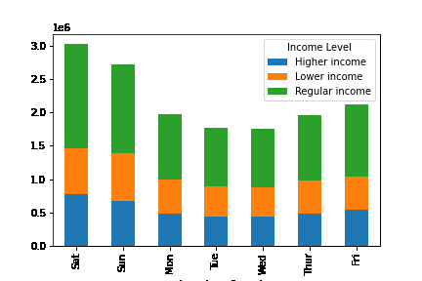
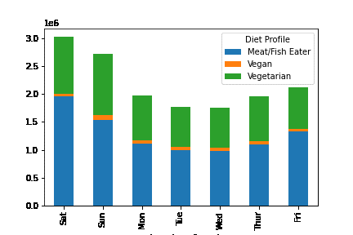
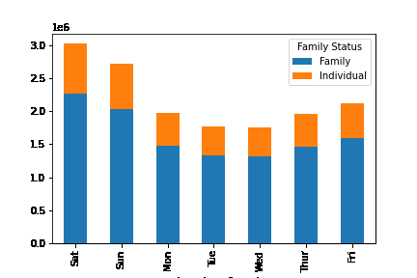
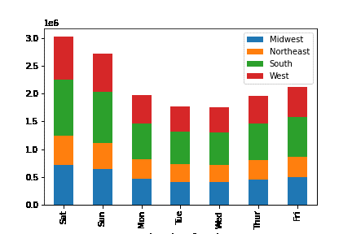
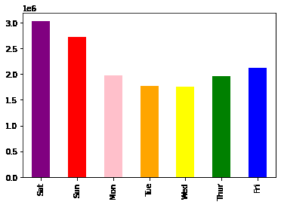
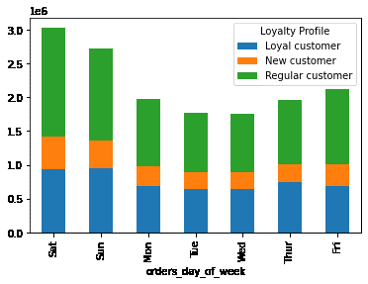
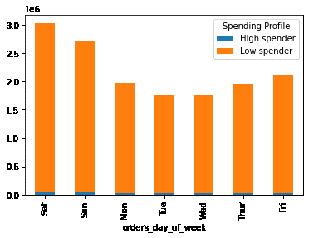

We can see that the busiest day of the week is Saturday, with the most orders being placed. The quietest days of the week are Tuesday and Wednesday, with the least number of orders being placed.
Customers with a Lower income place slightly more orders on a Sunday than throughout the rest of the week.
Customers with a Vegan diet place slightly more orders on a Sunday than throughout the rest of the week.
Customers in the Midwest place more orders (proportionately) on a Sunday than customers from other Regions.
Loyal customers place more orders (proportionately) on a Sunday than New or Regular customers.

Number of Orders Placed Each Hour
Number of Orders Placed Each Hour by Diet
Number of Orders Placed Each Hour by Family Status
Number of Orders Placed Each Hour by Income
Number of Orders Placed Each Hour by Region
Number of Orders Placed Each Hour by Loyalty
Number of Orders Placed Each Hour by Spending Profile
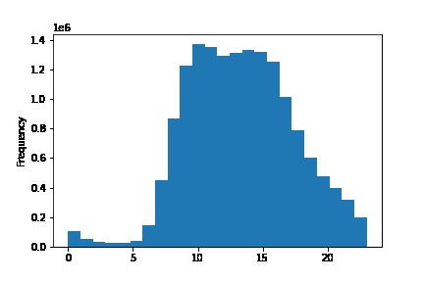
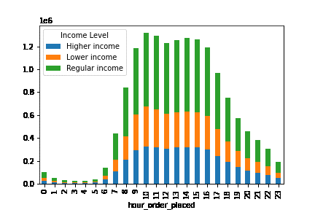
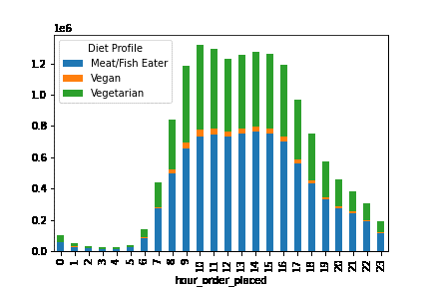
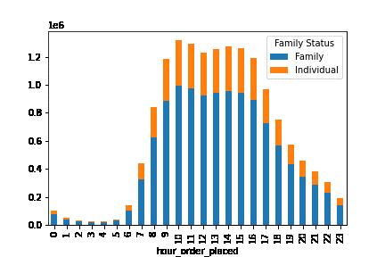
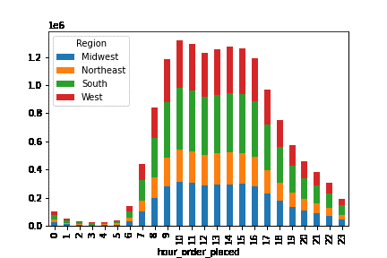
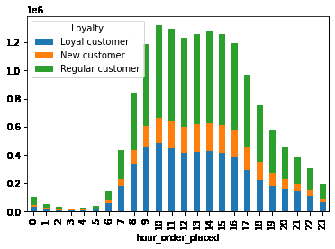
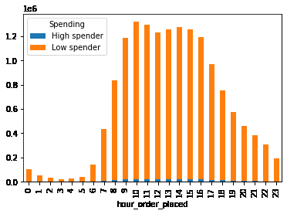

The above histogram shows that the majority of orders are placed between 9am and 4pm. Orders steadily slow down from 4pm until 1am, with very few orders being placed in the early hours of the morning. We can see orders start to increase again at 5am, when they begin to rise steadily towards the beginning of the peak order window of 9am -4pm.
We can not identify any differences in the time that customers with different profiles place orders.

2) They also want to know whether there are particular times of the day when people spend the most money, as this might inform the type of products they advertise at these times.
Average Price of Products Bought by Hour
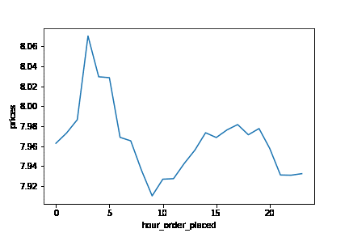

Customers spend the most money at 2am, with the least amount of money being spent at 9am. The difference between the highest and lowest price is 2%.

3) Instacart has a lot of products with different price tags. Marketing and sales want to use simpler price range groupings to help direct their efforts.

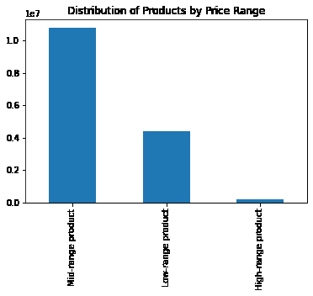
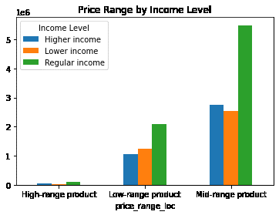
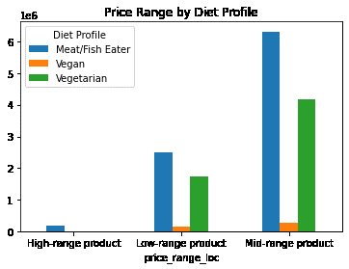
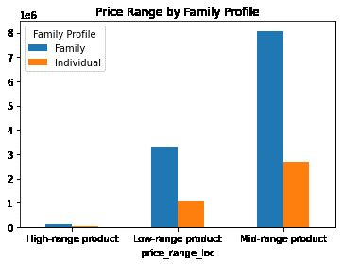
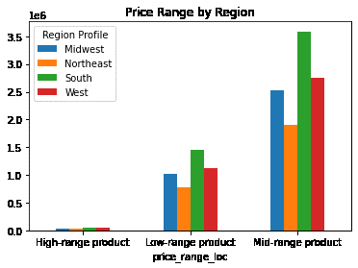
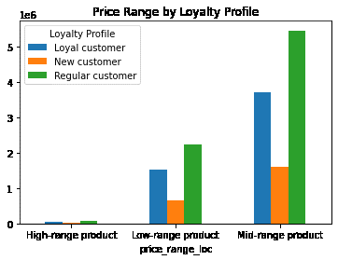
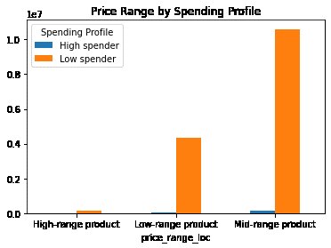

Only Meat/Fish Eaters by products classified as 'High-Range'. Vegetarians purchase a disproportionate amount from both Low and Mid range product classifications.
By grouping Instacart products by price groups, we can see that most products are classified as Mid-range, with a price between $5 and $15. Low range products are those priced under $5 . We can see there are very few High range products, which are those priced above $15.
Customers on a Lower Income are more likely to buy products classified as 'Low-Range' than customers with a Regular or Higher Income.

4) Are there certain types of products that are more popular than others? The marketing and sales teams want to know which departments have the highest frequency of product orders.
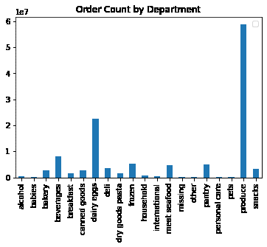

 | produce | 48.20%
 | dairy eggs | 16.97%
 | beverages | 6.86%
 | snacks | 5.20%
 | frozen | 4.42%
 | pantry | 4.06%
 | deli | 2.84%
 | bakery | 2.40%
 | canned goods | 2.36%
 | meat seafood | 1.88%
 | dry goods pasta | 1.63%
 | breakfast | 1.04%
 | household | 0.94%
 | international | 0.35%
 | babies | 0.25%
We can see that the most popular department by far is produce, which accounts for nearly half of the purchases made on Instacart. The least popular category is Bulk as there are no sales in this category at all.
 | personal care | 0.14%
 | missing | 0.07%
 | pets | 0.04%
 | other | 0.02%
 | alcohol | 0.003%

Distribution of Customer Profiles by Region
5) The marketing and sales teams are particularly interested in the different types of customers in their system and how their ordering behaviours differ.
What different classifications does the demographic information suggest?
What’s the distribution among users in regards to their brand loyalty?
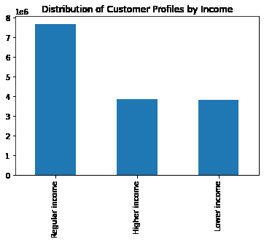
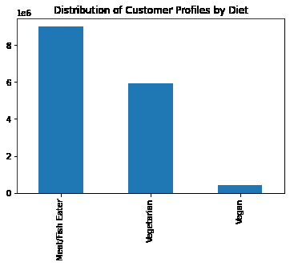
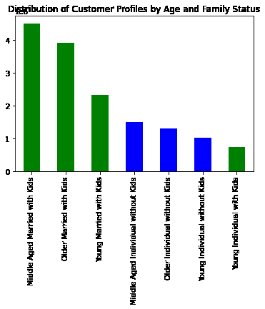
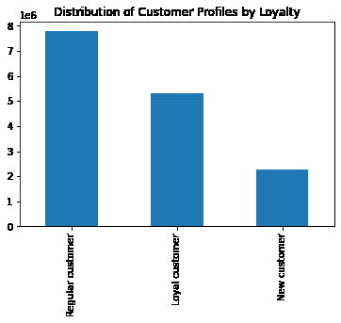
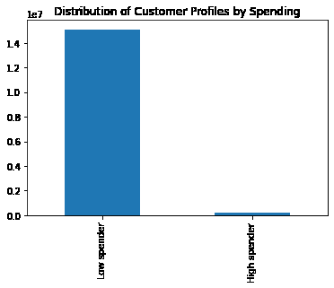
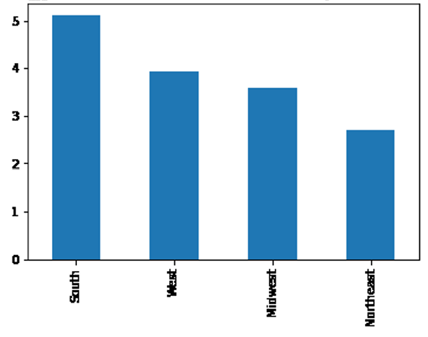

50 % of customers earn a Regular Income (between $68,000 and $128,000)
25 % of customers earn a Higher Income (above $128,000)
25 % of customers earn a Lower Income (below $68,000)
59% of customers are Meat/Fish Eaters
38% of customers are Vegetarian
3% of customers are Vegan
33% of Customers live in the South
26% of Customers live in the West
23% of Customers live in the Midwest
18% of Customers live in the Northeast
32% of customers are classified as Loyal
49% of customers are classified as Regular
19% of customers are classified as New
98% of customers are Low Spenders
2% of customers are High Spenders

75% of customers are Families
25% of customers are Individuals
58% of customers are Middle Aged (35 - 60 years old)
24% of customers are Older ( > 60 years old)
18 % of customers are Younger (< 35 years old)

6) What differences can you find in ordering habits of different customer profiles?
Average Price of Products Bought by Day
Average Price of Products/Day by Income
Average Price of Products/Day by Diet
Average Price of Products/Day by Family
Average Price of Products/Day by Region
Average Price of Products/Day by Loyalty
Average Price of Products/Day by Spending
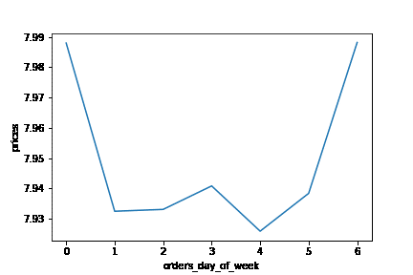
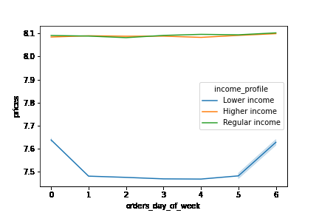
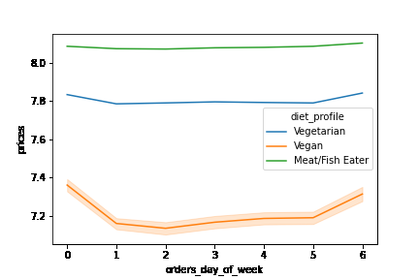
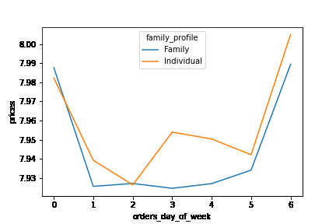
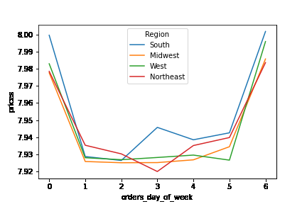
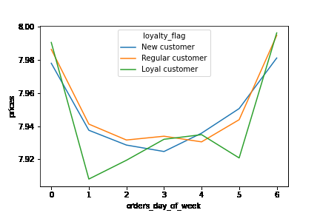
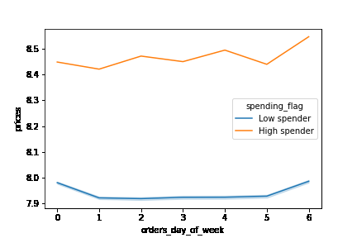

Customers with Regular and Higher incomes spend the same amount of money, regardless of the day of the week
Meat Eaters spend the same amount of money every day of the week. Vegetarian customers spend slightly more at the weekend.
We see that Individuals spend more money than Families mid week.
Customers in the South spend more money mid week than customers from other regions.
Loyal customers spend less on Sunday, Monday and Thursday than New and Regular customers.
High Spenders spend the most on Fridays.
We can see that customers spend the most money on Fridays and Saturdays. ( day 6 and 0)

7) What differences can you find in ordering habits of different customer profiles? We looked at the average price of items ordered, the number of orders placed and the number of days between orders across all customer profiles and the following points of interest were found.

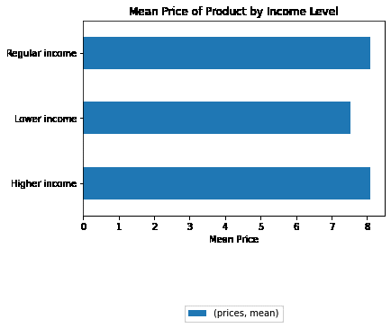
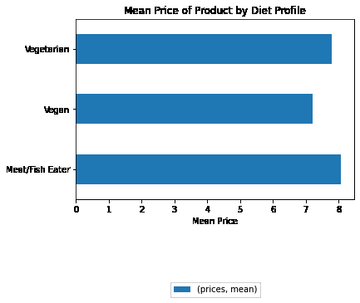
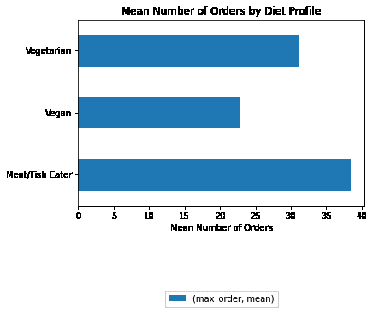
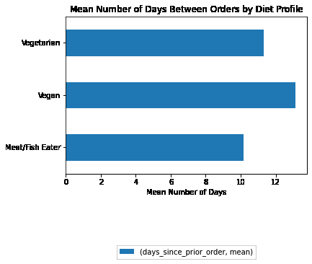
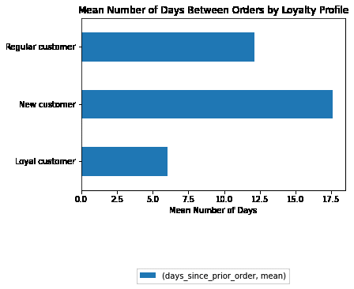

We can see that customers with a Regular Income spend slightly more on each product than customers that have a High Income.
We can see that Meat/Fish Eaters spend the most on each product.
The average price of a product in the meat/fish. department is $16.23. Vegetarian customers spend only slightly less than meat/fish eaters, the average price of a product from the produce department is $7.94.
On average, meat/fish eaters place 38 orders.
Vegetarian customers place 31 orders.
Vegan customers place 23 orders.
Meat eaters order the most frequently, with an average of 10 days between orders.
Vegans take the longest to reorder with an average of 13 days between orders.
Vegetarians reorder every 11 days.
Loyal customer order the most frequently, with an average of 6 days between orders.
New customers take the longest to reorder with an average of 17.5 days between orders.
Regular customers reorder every 12 days.

8) What differences can you find in ordering habits of different customer profiles? Consider the products customers are ordering.

Please see "Department Analysis" sheet.

8. Department Analysis
 |  |  |  |  |  |  | Title page
Department Analysis by Customer Profile

 |  | Income |  |  | Diet Profile |  |  | Family Status |  | Region |  |  |  | Spending Profile |  | Loyalty Profile
Department |  | Higher | Regular | Lower | Meat Eater | Vegan | Vegetarian | Family | Individual | Midwest | Northeast | South | West | High Spender | Low Spender | Loyal customer | New customer | Regular customer
alcohol |  | 30% | 46% | 24% | 28% | 17% | 55% | 74% | 26% | 24% | 17% | 34% | 25% | 10% | 90% | 27% | 18% | 54%
babies |  | 26% | 53% | 21% | 67% | 1% | 32% | 75% | 25% | 25% | 17% | 34% | 24% | 1% | 99% | 41% | 11% | 48%
bakery |  | 26% | 50% | 24% | 58% | 2% | 40% | 75% | 25% | 23% | 18% | 33% | 26% | 2% | 98% | 35% | 15% | 50%
beverages |  | 24% | 46% | 30% | 45% | 7% | 48% | 75% | 25% | 23% | 18% | 34% | 25% | 2% | 98% | 34% | 15% | 51%
breakfast |  | 25% | 49% | 27% | 50% | 2% | 47% | 75% | 25% | 23% | 18% | 33% | 26% | 2% | 98% | 33% | 16% | 51%
canned goods |  | 26% | 52% | 22% | 63% | 2% | 35% | 75% | 25% | 23% | 18% | 33% | 26% | 1% | 99% | 31% | 17% | 52%
dairy eggs |  | 26% | 51% | 24% | 58% | 0% | 42% | 75% | 25% | 23% | 18% | 33% | 26% | 2% | 98% | 36% | 14% | 50%
deli |  | 25% | 50% | 25% | 61% | 2% | 36% | 75% | 25% | 23% | 18% | 33% | 26% | 1% | 99% | 33% | 15% | 51%
dry goods pasta |  | 26% | 52% | 22% | 65% | 1% | 34% | 75% | 25% | 23% | 18% | 33% | 26% | 1% | 99% | 30% | 17% | 53%
frozen |  | 25% | 50% | 24% | 57% | 3% | 40% | 75% | 25% | 24% | 17% | 33% | 26% | 2% | 98% | 30% | 17% | 53%
household |  | 24% | 49% | 27% | 47% | 6% | 47% | 75% | 25% | 24% | 18% | 33% | 25% | 2% | 98% | 30% | 17% | 53%
international |  | 25% | 51% | 25% | 56% | 3% | 41% | 75% | 25% | 24% | 17% | 33% | 26% | 2% | 98% | 31% | 17% | 52%
meat seafood |  | 27% | 54% | 19% | 100% | 0% | 0% | 76% | 24% | 23% | 18% | 33% | 26% | 2% | 98% | 32% | 15% | 53%
missing |  | 25% | 53% | 22% | 64% | 2% | 34% | 76% | 24% | 23% | 17% | 34% | 26% | 0% | 100% | 30% | 18% | 52%
other |  | 30% | 48% | 22% | 47% | 2% | 51% | 75% | 25% | 23% | 20% | 32% | 26% | 7% | 93% | 30% | 16% | 54%
pantry |  | 25% | 50% | 24% | 58% | 3% | 39% | 75% | 25% | 24% | 18% | 33% | 26% | 2% | 98% | 33% | 16% | 51%
personal care |  | 24% | 47% | 29% | 44% | 5% | 51% | 76% | 24% | 24% | 17% | 33% | 26% | 2% | 98% | 31% | 17% | 53%
pets |  | 25% | 50% | 25% | 52% | 2% | 46% | 77% | 23% | 23% | 20% | 34% | 23% | 1% | 99% | 36% | 13% | 51%
produce |  | 25% | 51% | 24% | 60% | 3% | 37% | 75% | 25% | 23% | 18% | 33% | 26% | 1% | 99% | 35% | 14% | 50%
snacks |  | 22% | 44% | 35% | 51% | 5% | 43% | 75% | 25% | 23% | 18% | 33% | 26% | 1% | 99% | 35% | 14% | 51%

Percentage of Profile by Group |  | 25% | 50% | 25% | 59% | 3% | 38% | 75% | 25% | 23% | 18% | 33% | 26% | 2% | 98% | 32% | 28% | 48%

 | Departments where customer profile contributes a disproportionately high amount to sales (more than 5% above profile % of group)

 | Departments where customer profile contributes a disproportionately low amount to sales (less than 5% above profile % of group)

9. Recommendations
 | Title page

Recommendations

1) The sales team needs to know what the busiest days of the week and hours of the day are in order to schedule ads at times when there are fewer orders:

Number of Orders Placed Each Day
Number of Orders Placed Each Hour
General and Customer Specific Insights

The sales team should target all customers with ads on Tuesdays and Wednesdays between 7am - 9am and 4pm - 10 pm.
If the sales team wanted to target specific customer groups, customers with the following profiles place more orders on Sunday than others, so would be more likely to respond to targeted advertising on this day:
- Lower Income Customers
- Vegan Customers
- Customers who live in the Midwest
- Loyal customers

2) They also want to know whether there are particular times of the day when people spend the most money, as this might inform the type of products they advertise at these times.

Average Price of Products Bought by Hour
General Insights

Customers spend the most money at 2am, with the least amount of money being spent at 9am.
Sales could advertise High Range products at 2am as this is when customers are the least price sensitive.
Mid Range products should be advertised between 2pm and 8pm.
Low Range products should be advertised between 9am and 11am.

3) Instacart has a lot of products with different price tags. Marketing and sales want to use simpler price range groupings to help direct their efforts.

General and Customer Specific Insights

Instacart has 10764109 Mid Range Products, 4389376 High Range Products and 171393 Low Range Products.
Customers on a Lower Income are more likely to purchase Low Range Products and could be targeted with ads specific to this product group.
Vegetarians purchase disproportionately high numbers of Low Range and Mid Range products but High Range Products are only purchased by Meat Eaters.
By introducing more High Range products in to departments other than meat/seafood, Instacart could hope to encourage Vegetarian customers to increase their spend with the app.

4) Are there certain types of products that are more popular than others? The marketing and sales teams want to know which departments have the highest frequency of product orders.

General Insights

The most popular department by far is produce, accounting for 48% of orders.
Dairy/Eggs is the next most popular department and accounts for 17% of orders, followed by Beverages with 7%.
The least popular category is Bulk as there are no sales in this category at all.
Alcohol performs very poorly on Instacart, accounting for only 0.003% of orders.
Whilst 75% of Instacart customers are families, only 0.25% or orders are from the Babies department. Targeting families with ads for this department could help increase orders.

5) The marketing and sales teams are particularly interested in the different types of customers in their system and how their ordering behaviours differ. What different classifications does the demographic information suggest?
6) What differences can you find in ordering habits of different customer profiles?
7) What differences can you find in ordering habits of different customer profiles? Consider the products customers are ordering.

Customer Income Profile
Average Price of Products/Day by Income
Customer Specific Insights - Income

Level of income does not affect the ordering behaviour of customers in terms of frequency or number of orders placed.
There is no difference in spending between Regular and High Income customers. Marketing could target Higher Income customers with High Range Products in order to encourage them to spend more.
Higher Income Customers spend more on 'Alcohol' and 'Other' than those customers with Lower and Regular Incomes so should be targeted with ads for these products.
Lower Income Customers spend more on 'Beverages' and 'Snacks' than customers with Regular and Higher Incomes so should be targeted with ads for these products.
Lower Income customers are the least price sensitive from Thursday to Saturday so ads targeting this customer segment should be scheduled on these days.

50 % of customers earn a Regular Income (between $68,000 and $128,000)
25 % of customers earn a Higher Income (above $128,000)
25 % of customers earn a Lower Income (below $68,000)
Customers with Regular and Higher incomes spend the same amount of money, regardless of the day of the week

Customer Diet Profile
Customer Specific Insights - Diet

Vegetarians have the potential to be bigger spenders on Instacart. Vegetarian customers contribute disproportionally highly to sales in the following departments and should be targeted with ads for the following categories:
- Alcohol
- Beverages
- Breakfast
- Household
- Personal Care
- Pets
- Snacks
Instacart should introduce more High Range Products in the above categories in order to encourage Vegetarian customers to spend more as they seem to be less price sensitive than Meat Eaters and Vegans.
Vegans spend a disproportionate amount on Alcohol and should also be targeted with ads for this category.
Meat Eaters order the most and the most frequently and should be targeted with ads for products from the 'Babies' and 'Dry Goods Pasta' departments.

59% of customers are Meat/Fish Eaters
38% of customers are Vegetarian
3% of customers are Vegan
We can see that Meat/Fish Eaters spend the most on each product.
The average price of a product in the meat/fish. department is $16.23. Vegetarian customers spend only slightly less than meat/fish eaters, the average price of a product from the produce department is $7.94.

Customer Family Profile
Average Price of Products/Day by Family
Customer Specific Insights - Family

Family Status does not affect the ordering behaviour of customers in terms of frequency or number of orders placed.
Individual Customers spend more mid-week than Family customers so should be targeted with ads on Wednesdays.
There is no difference in products ordered between Families and Individuals.

We see that Individuals spend more money than Families mid week.

75% of customers are Families
25% of customers are Individuals
58% of customers are Middle Aged (35 - 60 years old)
24% of customers are Older ( > 60 years old)
18 % of customers are Younger (< 35 years old)

Customer Regional Profile
Average Price of Products/Day by Region
Customer Specific Insights - Region

A customers region does not affect the ordering behaviour of customers in terms of frequency or number of orders placed.
Customers in the South spend more mid-week than customers from other regions so should be targeted with ads on Wednesdays.
There is no difference in products ordered between regions.

Customers in the South spend more money mid week than customers from other regions.
33% of Customers live in the South
26% of Customers live in the West
23% of Customers live in the Midwest
18% of Customers live in the Northeast

Customer Loyalty Profile
Customer Specific Insights - Loyalty

Loyal customers order the most frequently, with only 6 days on average between orders, whilst New customers leave 17.5 days between orders.
Loyal customers spend less on Sunday, Monday and Thursday than New and Regular customers so should be targeted with ads at these times to encourage spending.
Loyal customers contribute a disproportionately large amount to the 'Babies' department and should be targeted with ads for this category.
Regular customers contribute a disproportionately large amount to the 'Alcohol' department and should be targeted with ads for this category.
New customers contribute a disproportionately small amount to the following categories:
- Babies
- Dairy Eggs
- Pets
- Produce
- Snacks
New customers could be encouraged to order more frequently by being targeted with promotions for the above departments, particularly in the popular Produce category.

32% of customers are classified as Loyal
49% of customers are classified as Regular
19% of customers are classified as New
Loyal customer order the most frequently, with an average of 6 days between orders.
New customers take the longest to reorder with an average of 17.5 days between orders.
Regular customers reorder every 12 days.

